BDM
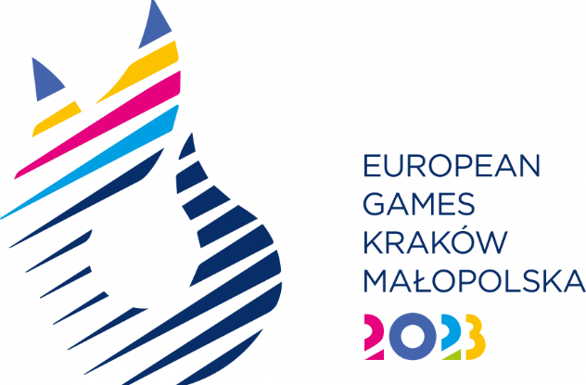
SPORT ENTRY FORM - BADMINTON

National Olympic Committee

NOC Code

# | Registration Number | Preferred Family Name | Preferred Given Name | Date of Birth |  |  | Gender (M/F) | Event* | Type of qualification** | BWF Number
 |  |  |  | DD | MM | YYYY
1
2
3
4
5
6
7
8
9
10
11
12
13
14
15
16
17
18

 | *Event |  |  |  |  | ** Please indicate how the athlete obtained the quota
 | Men's Singles |  |  |  |  | WR: The European Ranking List of 28 March 2023
 | Women's Singles |  |  |  |  | EYOF: 2022 EYOF in Banska Bystrica
 | Men's Doubles |  |  |  |  | HC: Host Country
 | Women's Doubles |  |  |  |  | UP: Universality Place
 | Mixed Doubles

