BKG
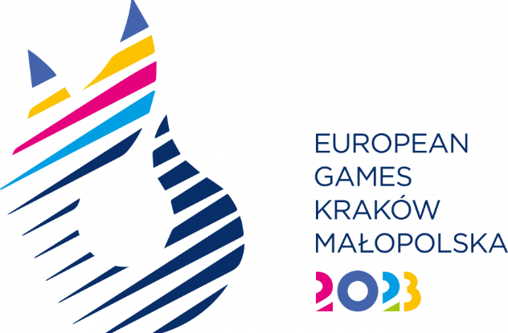
SPORT ENTRY FORM - BREAKING

National Olympic Committee

NOC Code

# | Registration Number | Preferred Family Name | Preferred Given Name | Date of Birth |  |  | Gender (M/F) | Artist Name | Type of qualification* | IF/EF Number
 |  |  |  | DD | MM | YYYY
1
2
3
4

* Please indicate how the athlete obtained the quota
EC22: European Championship 2022
EC23: European Championhip 2023
WR: The WDSF BfG Ranking List
HC: Host Country

