SWA
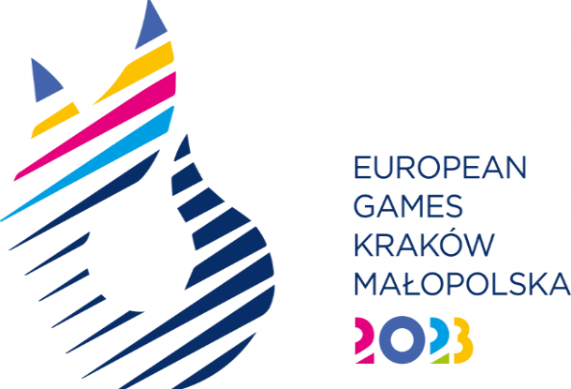
SPORT ENTRY FORM - ARTISTIC SWIMMING

National Olympic Committee

NOC Code

# | Registration Number | Preferred Family Name | Preferred Given Name | Date of Birth |  |  | Gender (M/F) | Events* |  |  |  |  |  |  |  |  |  |  |  |  |  |  |  | IF/EF Number
 |  |  |  | DD | MM | YYYY |  | Women's Duet Free |  | Women's Duet Technical |  | Mixed Duet Free |  | Mixed Duet Technical |  | Team Free |  | Team Technical |  | Team Acrobatic Routine |  | Team Free Routine Combination
 |  |  |  |  |  |  |  | Competing athlete | Reserve | Competing athlete | Reserve | Competing athlete | Reserve | Competing athlete | Reserve | Competing athlete | Reserve | Competing athlete | Reserve | Competing athlete | Reserve | Competing athlete | Reserve
1
2
3
4
5
6
7
8
9
10
11
12
13
14

* Please indicate the event where the athlete will participate

